Current Expenditures - AN
FRED Graph Observations
Federal Reserve Economic Data
Link: https://fred.stlouisfed.org | Federal Government: Current Expenditures (FGEXPND) | FRED | St. Louis Fed (stlouisfed.org)
Help: https://fredhelp.stlouisfed.org
Economic Research Division
Federal Reserve Bank of St. Louis

FGEXPND | Federal Government: Current Expenditures, Billions of Dollars, Annual, Seasonally Adjusted Annual Rate

Frequency: Annual
observation_date | FGEXPND
1947-01-01 | 40.351
1948-01-01 | 41.402
1949-01-01 | 46.333
1950-01-01 | 46.920
1951-01-01 | 58.415
1952-01-01 | 67.929
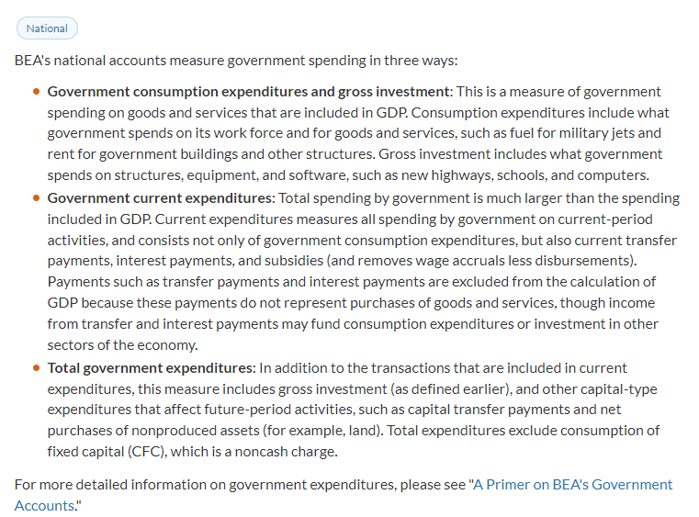
1953-01-01 | 72.766
1954-01-01 | 70.505
1955-01-01 | 71.641
1956-01-01 | 74.437
1957-01-01 | 81.942
1958-01-01 | 88.115
1959-01-01 | 90.510
1960-01-01 | 93.398
1961-01-01 | 99.811
1962-01-01 | 108.557
1963-01-01 | 113.498
1964-01-01 | 118.211
1965-01-01 | 125.942
1966-01-01 | 144.375
1967-01-01 | 165.783
1968-01-01 | 184.345
1969-01-01 | 196.985
1970-01-01 | 219.944
1971-01-01 | 241.602
1972-01-01 | 268.020
1973-01-01 | 287.556
1974-01-01 | 319.849
1975-01-01 | 374.759
1976-01-01 | 403.484
1977-01-01 | 437.317
1978-01-01 | 485.865
1979-01-01 | 534.386
1980-01-01 | 622.455
1981-01-01 | 709.135
1982-01-01 | 786.017
1983-01-01 | 851.942
1984-01-01 | 907.686
1985-01-01 | 974.971
1986-01-01 | 1033.848
1987-01-01 | 1065.228
1988-01-01 | 1122.389
1989-01-01 | 1201.838
1990-01-01 | 1290.904
1991-01-01 | 1356.231
1992-01-01 | 1488.857
1993-01-01 | 1544.575
1994-01-01 | 1584.969
1995-01-01 | 1659.541
1996-01-01 | 1715.729
1997-01-01 | 1759.350
1998-01-01 | 1788.439
1999-01-01 | 1836.827
2000-01-01 | 1908.092
2001-01-01 | 2017.329
2002-01-01 | 2138.700
2003-01-01 | 2293.496
2004-01-01 | 2421.571
2005-01-01 | 2598.464
2006-01-01 | 2760.722
2007-01-01 | 2928.004
2008-01-01 | 3206.988
2009-01-01 | 3485.240
2010-01-01 | 3764.625
2011-01-01 | 3807.750
2012-01-01 | 3773.503
2013-01-01 | 3770.255
2014-01-01 | 3888.437
2015-01-01 | 4005.825
2016-01-01 | 4127.975
2017-01-01 | 4240.545
2018-01-01 | 4489.479
2019-01-01 | 4748.567
2020-01-01 | 6669.637
2021-01-01 | 7128.558
2022-01-01 | 6038.511
2023-01-01 | #N/A

